Database Snapshot
Alt-Centrix Database Coverage Worksheet
Alt-Centrix handles formatting, normalization, and multi-database distribution automatically.

Section A: Firm Snapshot
Firm Name
Primary Strategy
AUM Range
Primary Investor Type
Currently Reporting to Any Databases?

Section B: Database Coverage & Interest
Database Platform | Currently Reporting | Interested in Coverage | Future Coverage | Please mark each database with an "X" to indicate each fund you wish to list in the database.
Aksia
Albourne
Allocator
Barlcay Hedge
Bloomberg
Global Fund Search
HFR
LSEG
Morningstar
Blackrock (Preqin)
Rock Creek
WITHIntelligence

Section C: Reporting Challenges (Optional)
Multiple database templates
Data inconsistencies across platforms
Strategy nuance not captured properly
Resource constraints
Audit/compliance concern
We don’t currently report anywhere

Additional Comments

If you'd like help reviewing your database coverage, IMSS offers a short consultation with alternative managers to discuss reporting approaches and identify potential visibility gaps.
Request a 15-Minute Coverage Review

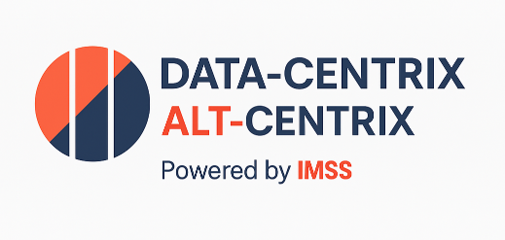

Website: www.imss-llc.com

